Sheet1
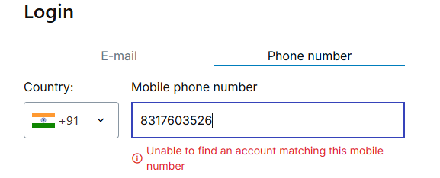
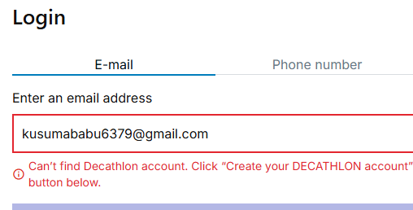
 |  |  | Bug Report of Decathlon E-commerce Website
Bug _ID | Bug Summary | Description | Pre- Requisities | Steps to repoduce | Data | Expected Result | Actual result | Column 9 | Priority | Status | ScreenShots
BUG_001 | Validate the Login page with Email | Verify the Login page with Valid Email-id | 1Open the browser with good internet 2Enter the Url : https://www.decathlon.in/ | 1.Navigate to the Url 2.Click on the signnin button 3. After displyed Login button Enter the E-mail id 4. Click on the Login Button | Email id: kusumababu6379@gmail.com | Login should be successfully | Can’t find Decathlon account. Click “Create your DECATHLON account” button below. | HIGH | HIGH | Fail
BUG_002 | Validate the Login page With phoe number | Verify the Login page with Valid Phone Number | 1Open the browser with good internet 2Enter the Url : https://www.decathlon.in/ | 1.Navigate to the Url 2.Click on the signnin button 3. After displyed Login button Enter the Phone number 4. Click on the Login Button | Phone Number: 7989292662 | Login should be successfully | Unable to find an account matching this mobile number | HIGH | HIGH | Fail
BUG_003 | Validate search with invalid/empty keyword | Check system response when an enter invalid items | User must be on homepage | 1. Enter random text like "Books" in search bar 2. Press Enter | Books | Message displayed like "No products found" or empty results page | its showing Wrong page | HIGH | MEDIUM | Fail
BUG_004 | Validate filtering by price | Check if price filter shows correct product list | Valid search results must be displayed | 1. enter the url click the search bar enter the t-shirts | T-shirts | Whatever i am searchig in the search ar that product oly should be the show in that page | its showig differet types of products ot showig particular product | HIGH | HIGH | 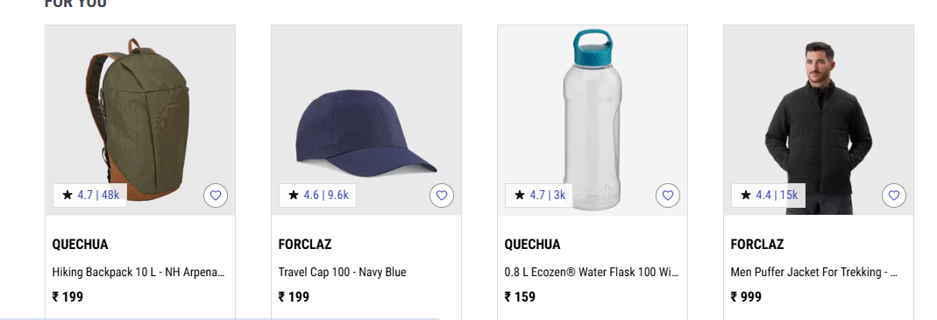 Fail
BUG_005 | Validate product sorting (e.g., price low to high) | Ensure sorting works correctly | Product list must be available | 1. Search "Jackets" 2. Apply "Sort by: Price - Low to High" | Sort option selected | Products are sorted in ascending order of price | products not accending order | HIGH | MEDIUM | 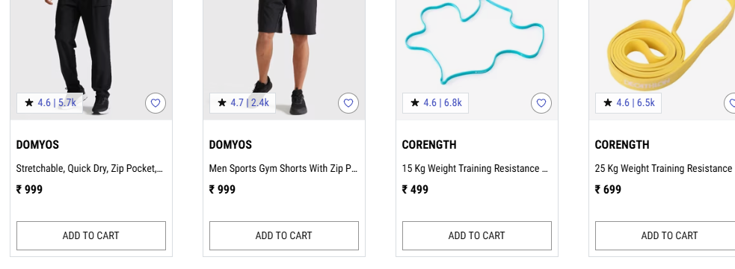 Fail
BUG_006 | Automate Contact Us form submission | Verify that the Contact Us form accepts valid input and displays a success confirmation | User is on Contact Us page | 1. Navigate to the Url2. click on the Terms and condition down 3. click on the contact us | Name: kusumababu017@gmail.comubject: DelayMessage: My order is delayed | Success message like “Your query has been submitted successfully” should appear | quey was not submitted successfully | HIGH | LOW |  Fail
BUG_007 | To validate the Functionality of Footer Section Links | Ensure the "About Us" link redirects to the correct page | User is on the homepage | 1. Launch browser 2. Navigate to https://www.decathlon.in/ 3. Scroll to footer 4. Click "About Us" | N/A | User is redirected to the "About Us" page | About us page is not clickable | MEDIUM | MEDIUM | Fail
BUG_008 | To validate the Functionality of Footer Section Links | Ensure "Privacy Policy" link leads to the correct legal page | User is on the homepage | 1. Navigate to homepage 2. Scroll to footer 3. Click on "Privacy Policy" | N/A | Privacy Policy page loads with policy details | Privacy Policy page loads with policy details | MEDIUM | MEDIUM | Fail

